DESIGN SHEET
MENS PUFFER VEST DESIGN DETAIL | #776

© 2015. 776BC INTERNATIONAL PTY LTD - 232 YORK STREET, SOUTH MELBOURNE
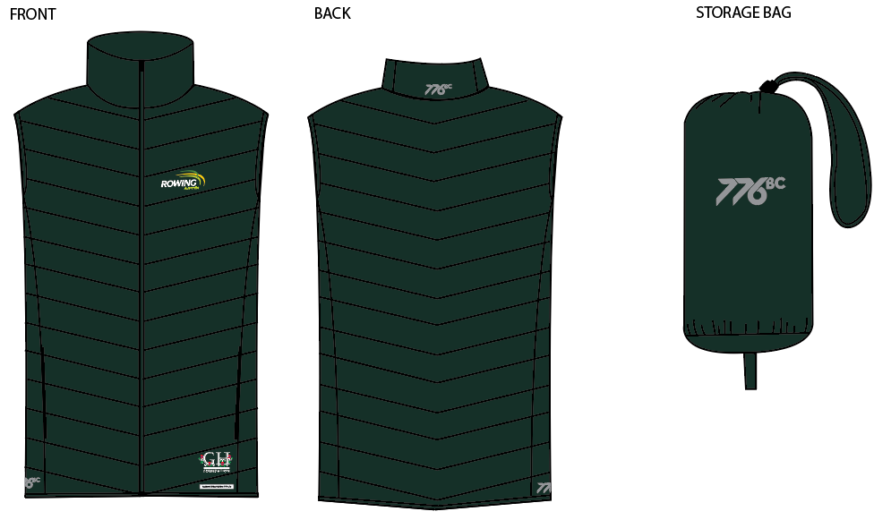 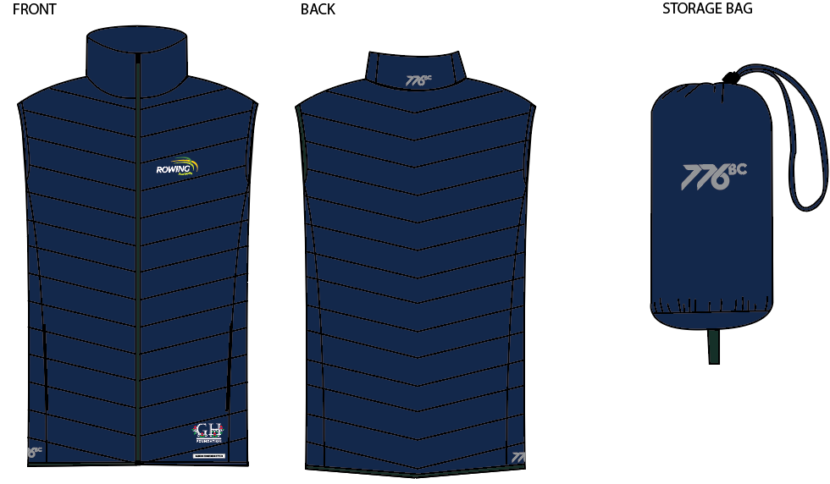 | 2017-01-04 |  |  |  | COLOURWAYS
 | BODY/TRIM DETAILS: | DETAILS: | POSITION DETAIL: | QTY: | C1- GREEN | C2- NAVY
 | BODY FABRIC | using SOTL072-R01 Main fabric | BODY | NA | PANTONE 5535C | PANTONE 2767C
 | BINDING | As per mens puffer vest sample | CUFF, HEM | NA | PANTONE 5535C | PANTONE 2767C
 | THREAD | As per mens puffer vest sample | ALL OVER | NA | D.T.M PANTONE 5535C | D.T.M PANTONE 2767C
 | CENTRE FRONT ZIP | As per mens puffer vest sample | CENTRE FRONT | X1 | D.T.M PANTONE 5535C | PANTONE 2767C
 | PRINT 1 | SILVER REFLECTIVE PRINT - AS PER ARTSHEET | RIGHT SIDE PANEL ABOVE HEM & CB COLLAR | X2 | AS PER ART SHEET | AS PER ART SHEET
 | PRINT 2 | THIN PLASTISOL INK- AS PER ART SHEET | FRONT LEFT CHEST AS PER ART SHEET | X1 | AS PER ART SHEET | AS PER ART SHEET
 | PRINT 3 | THIN PLASTISOL INK- AS PER ART SHEET | LEFT ARM ABOVE CUFF AS PER ART SHEET | X1 | AS PER ART SHEET | AS PER ART SHEET
C1- GREEN
 | FRONT POCKET BAG LINING | SELF FABRIC | FRONT POCKETS AS PER SAMPLE | X2 | PANTONE 5535C | PANTONE 2767C
 | ZIP ON POCKETS | As per mens puffer vest sample- Invisible zips |  | x2 | D.T.M PANTONE 5535C | PANTONE 2767C

C2-NAVY

ORIGINAL SAMPLE BEING SENT FOR REFERENCE - SAMPLE IS A SIZE LARGE- FIT ALL AS PER SAMPLE (ONLY DIFFERENCE IS WADDING STITCH PATTERN OF FRONT AND BACK. AND WE HAVE LENGTHENED GARMENT (BACK IS SCOOPED)

MENS PUFFER VEST SPEC
MENS PUFFER VEST SPEC DETAILS |  |  |  |  |  |  |  |  |  |  | #776
© 2015. 776BC INTERNATIONAL PTY LTD - 232 YORK STREET, SOUTH MELBOURNE
SEASON: | RA 2017 | DATE: |  | 2017-01-04 |  |  |  |  |  | MENS PUFFER JACKET RA
STYLE NUMBER: | #776 | SAMPLE SIZE: |  | LARGE
DESCRIPTION: | MENS PUFFER VEST
PROPORTIONAL GRADING RULES |  |  |  |  |  |  |  |  |  | 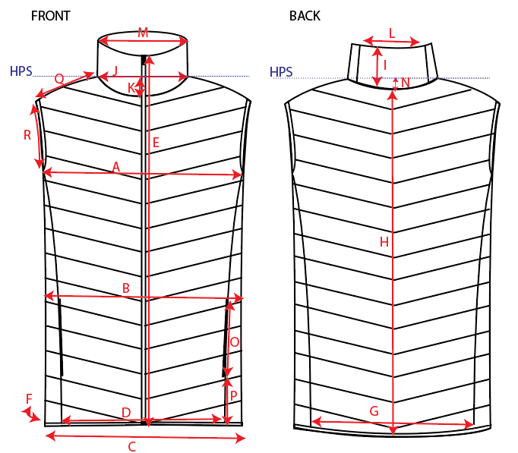
POINT | PATTERN MEASUREMENT (CM) |  | GRADE RULE
 |  |  |  | XS | S | M | L | XL | XXL
A | CHEST CIRC 1/2 |  |  |  |  |  | 59.0
B | WAIST CIRC 1/2 (17cm below armhole) |  |  |  |  |  | 56.0
C | HEM CIRC 1/2 |  |  |  |  |  | 53.0
D | FRONT PANEL WIDTH ALONG SEAM |  |  |  |  |  | 35.5
E | GARMENT LENGTH CF (INC COLLAR) |  |  |  |  |  | 72.0
E.2 | SIDE SEAM LENGTH- FROM ARMHOLE POINT TO HEM EDGE |  |  |  |  |  | 40.0
F | SIDE PANEL WIDTH |  |  |  |  |  | 15.0
G | BACK PANEL WIDTH |  |  |  |  |  | 43.0 |  |  |  |  | 67
H | CENTRE BACK GARMENT LENGTH (NOT INCL COLLAR) |  |  |  |  |  | 72 |  |  |  |  | 72
I | COLLAR HEIGHT |  |  |  |  |  | 6.5
J | NECK WIDTH 1/2 |  |  |  |  |  | 23
K | FRONT NECK DROP |  |  |  |  |  | 7
L | COLLAR PANEL LENGTH |  |  |  |  |  | 14.5
M | TOP EDGE OF COLLAR CIRC 1/2 |  |  |  |  |  | 20
N | BACK NECK DROP |  |  |  |  |  | 1
O | POCKET LENGTH |  |  |  |  |  | 17.0
P | POCKET DISTANCE FROM HEM EDGE |  |  |  |  |  | 10.5
Q | SHOULDER LENGTH |  |  |  |  |  | 13.0
R | ARMHOLE CIRC 1/2 |  |  |  |  |  | 29.0
S | BINDING WIDTH |  | 0.0 |  |  |  | 1.0
T | DISTANCE BETWEEN WADDING STITCHES |  | 0.0 |  |  |  | 6.0
U | HIGHT BACK WIDTH (17CM BEOW HPS) EDGE TO EDGE |  |  |  |  |  | 44.0

FABRIC DETAILS: | SOTL072-R01 Main fabric
THREAD DETAILS: | As per mens puffer sample
TRIM DETAILS: | ZIP Quality all as per MENS Fleece sample. Solid No logo zip heads.
CARE LABEL DETAILS: | TBA when fabric approved

